PNB (Alcohol)
DATE | INV NO. | DESCRIPTIONS | QTY | BILLS | UNIT PRICE | SUB TOTAL | TOTAL | Rp1,120,000
16-Mar-2026 | SPNB26031443 | LIMO APERITIVO 500 ML | 4 | 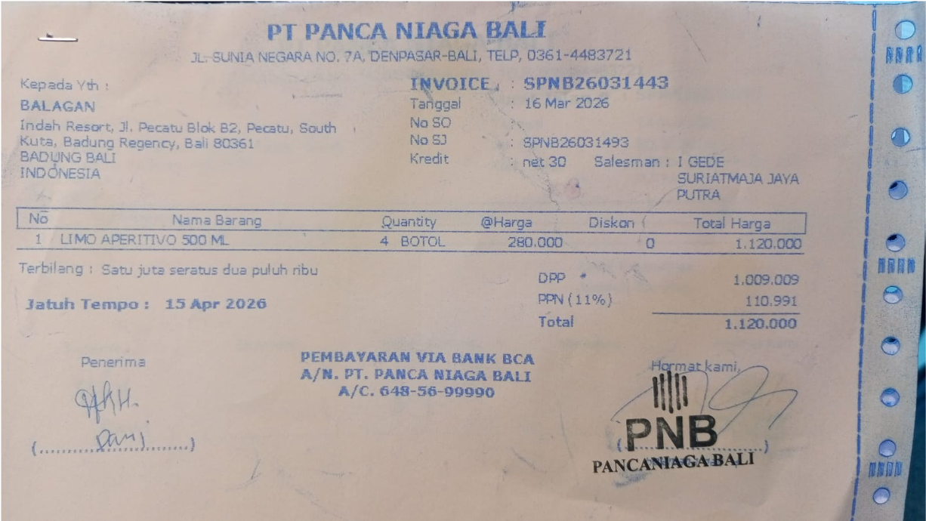 | IDR 280,000 | IDR 1,120,000 | IDR 1,120,000

 |  |  |  |  |  |  | Rp1,120,000

